HW4
Showing only one icon for value greater the 80 |  |  |  | Required Output
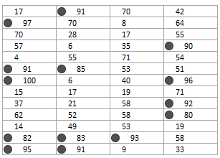
17 | 91 | 70 | 42
97 | 70 | 8 | 64
70 | 28 | 17 | 55
57 | 6 | 35 | 90
4 | 55 | 71 | 54
91 | 85 | 53 | 51
100 | 6 | 40 | 96
15 | 17 | 19 | 71
37 | 21 | 58 | 92
62 | 52 | 58 | 80
14 | 49 | 53 | 19
82 | 83 | 93 | 58
95 | 91 | 9 | 33

